PO
 |  |  | PO#
 |  |  | JOB NAME
 |  |  | LOT#
 |  |  | DATE
 |  |  | SHIP VIA

FROM: |  | TO:
Company: |  | Supplier:
Contact: |  | Contact:
Address: |  | Address:

Phone: |  | Phone:
Fax: |  | Fax:
Email: |  | Email:

Part Number | Description |  | QTY | Unit Cost | Ext. Cost
HBWB366012 | 36" x 60" x ½" Board |  | 0 | $0.00 | $0.00
HBWB366058 | 36" x 60" x ⅝" Board |  | 0 | $0.00 | $0.00
HBWB486412 | 48" x 64" x ½" Board |  | 0 | $0.00 | $0.00
0 | 0 |  | 0 | $0.00 | $0.00
0 | 0 |  | 0 | $0.00 | $0.00
0 | 0 |  | 0 | $0.00 | $0.00
0 | 0 |  | 0 | $0.00 | $0.00
HBLD73 | 73½" Line Drain Kit |  | 0 | $0.00 | $0.00
HBJSCART | Joint Sealant Cartridge 10 oz |  | 0 | $0.00 | $0.00
HBSCREWWASHER100 | Screws & Washers (Box of 100) |  | 0 | $0.00 | $0.00
0 | 0 |  | 0 | $0.00 | $0.00
0 | 0 |  | 0 | $0.00 | $0.00
0 | 0 |  | 0 | $0.00 | $0.00
0 | 0 |  | 0 | $0.00 | $0.00
0 | 0 |  | 0 | $0.00 | $0.00
HBDSC | Diamond Shampoo Caddy |  | 0 | $0.00 | $0.00
HBWB366014 | 36" x 60" x ¼" Board |  | 0 | $0.00 | $0.00
HBWB3648112 | 36" x 48" x 1½" Board |  | 0 | $0.00 | $0.00
HBWB48602 | 48" x 60" x 2" Board |  | 0 | $0.00 | $0.00
HBWB44962 | 44" x 96" x 2" Board |  | 0 | $0.00 | $0.00
HBSCREW1000 | Screws (1,000 per bucket) |  | 0 | $0.00 | $0.00
HBWASH1000 | Washers w/tabs (1,000 per bucket) |  | 0 | $0.00 | $0.00
HBSAUSGUN | Sausage Gun |  | 0 | $0.00 | $0.00
HBFLJCK | 24 sq ft Floor Lowering Joist Clip Kit |  | 0 | $0.00 | $0.00
HBLDCOUP | Line Drain Coupler |  | 0 | $0.00 | $0.00
HBLDSLOTEXT | Line Drain Slot Extender Stick |  | 0 | $0.00 | $0.00
HBINSHADOW | IN-Shadow Trim (2 pcs) |  | 0 | $0.00 | $0.00
HBINSI38 | 3/8" IN-Sight Trim (2 pcs) |  | 0 | $0.00 | $0.00
TOTAL ORDER |  |  |  |  | $0.00

NOTES:

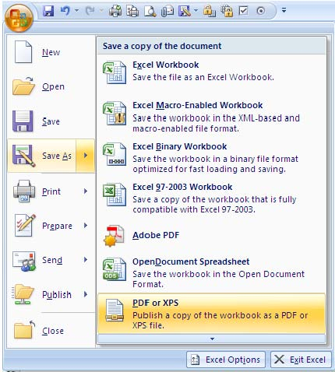
 | CLICK OFFICE BUTTON → SAVE AS → PDF to export PO

